Timeline
Project Timeline

Phase | Start date (mm/dd/yyyy) | End date (mm/dd/yyyy) | Percent Complete | Duration (days) | Completed (days) | Remaining (days)
PHASE 1- PROJECT SCOPING AND PLANNING | 02/01/2015 | 03/31/2015 | 99% | 59 | 59 | 0
Pre-Scoping & Planning Activities | 02/01/2015 | 02/17/2015 | 100% | 17 | 17 | 0
Site Selection & Evaluation Scoping | 02/01/2015 | 03/17/2015 | 100% | 45 | 45 | 0
Hydraulic Model Scoping | 02/01/2015 | 03/31/2015 | 100% | 59 | 59 | 0
GIS Product Scoping | 02/01/2015 | 03/31/2015 | 100% | 59 | 59 | 0
<<Phase 1 Review>> | 03/31/2015 | 03/31/2015 | 0% | 1 | 0 | 1

PHASE 2A - HYDRAULIC ANALYSIS | 03/01/2015 | 05/31/2015 | 100% | 92 | 92 | 0
Hydraulic Model Development by Partner | 03/01/2015 | 05/31/2015 | 100% | 92 | 92 | 0
Hydraulic Model Review by NWS | 05/01/2015 | 05/31/2015 | 100% | 31 | 31 | 0
<<Phase 2A Review>> | 05/31/2015 | 05/31/2015 | 100% | 1 | 1 | 0

PHASE 2B - MAPPING | 06/01/2015 | 09/01/2015 | 74% | 93 | 69 | 24
Mapping Product Development by Partner | 06/01/2015 | 09/01/2015 | 100% | 93 | 93 | 0
Mapping Product Review by NWS | 08/01/2015 | 09/01/2015 | 0% | 32 | 0 | 32
<<Phase 2B Review>> | 09/01/2015 | 09/01/2015 | 0% | 1 | 0 | 1

PHASE 3 - AHPS WEB IMPLEMENTATION | 09/01/2015 | 11/01/2015 | 0% | 62 | 0 | 62
AHPS Beta Site Development | 09/01/2015 | 10/01/2015 | 0% | 31 | 0 | 31
AHPS Beta Map Review | 10/01/2015 | 11/01/2015 | 0% | 32 | 0 | 32
<<Phase 3 Review>> | 11/01/2015 | 11/01/2015 | 0% | 1 | 0 | 1
PHASE 1- PROJECT SCOPING AND PLANNING | 02/01/2015 | 59 | 0
Pre-Scoping & Planning Activities | 02/01/2015 | 17 | 0
Site Selection & Evaluation Scoping | 02/01/2015 | 45 | 0
Hydraulic Model Scoping | 02/01/2015 | 59 | 0
GIS Product Scoping | 02/01/2015 | 59 | 0
<<Phase 1 Review>> | 03/31/2015 | 0 | 1
PHASE 2A - HYDRAULIC ANALYSIS | 03/01/2015 | 92 | 0
Hydraulic Model Development by Partner | 03/01/2015 | 92 | 0
Hydraulic Model Review by NWS | 05/01/2015 | 31 | 0
<<Phase 2A Review>> | 05/31/2015 | 1 | 0
PHASE 2B - MAPPING | 06/01/2015 | 69 | 24
Mapping Product Development by Partner | 06/01/2015 | 93 | 0
Mapping Product Review by NWS | 08/01/2015 | 0 | 32
<<Phase 2B Review>> | 09/01/2015 | 0 | 1
PHASE 3 - AHPS WEB IMPLEMENTATION | 09/01/2015 | 0 | 62
AHPS Beta Site Development | 09/01/2015 | 0 | 31
AHPS Beta Map Review | 10/01/2015 | 0 | 32
<<Phase 3 Review>> | 11/01/2015 | 0 | 1

Location Map
Location Map Graphics
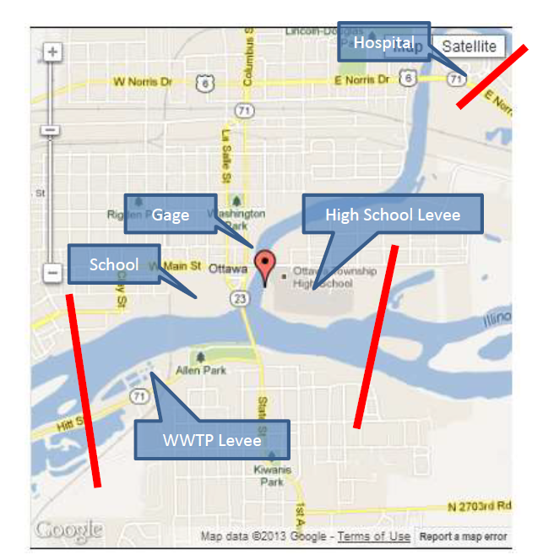
 | USGS Gage Location Map: (Note: same as report Figure 1) |  |  | AHPS Gage Location Map:
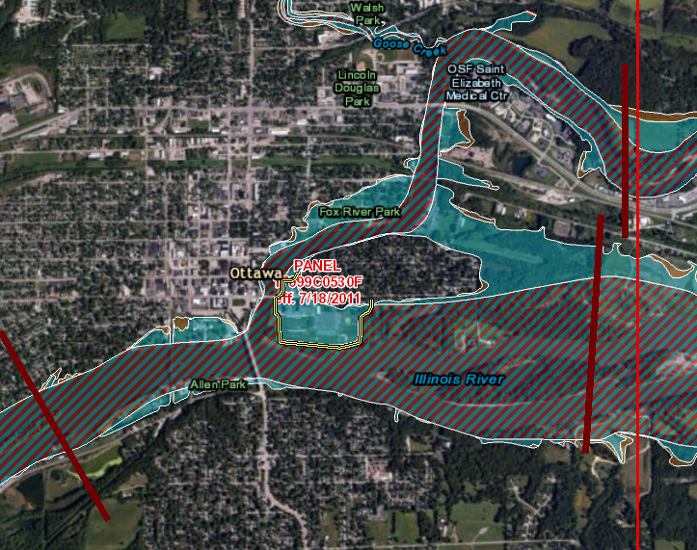
 | Insert USGS Gage Location Map |  |  | Insert AHPS Gage Location Map
 |  | Example: | http://waterdata.usgs.gov/ia/nwis/nwismap/?site_no=05454500&agency_cd=USGS |  | http://water.weather.gov/ahps2/hydrograph.php?wfo=dvn&gage=iowi4&view=1,1,1,1,1,1,1,1

 |  | Use standard Google "Map" background

 | Overview Map: (Note: same as report Figure 2)
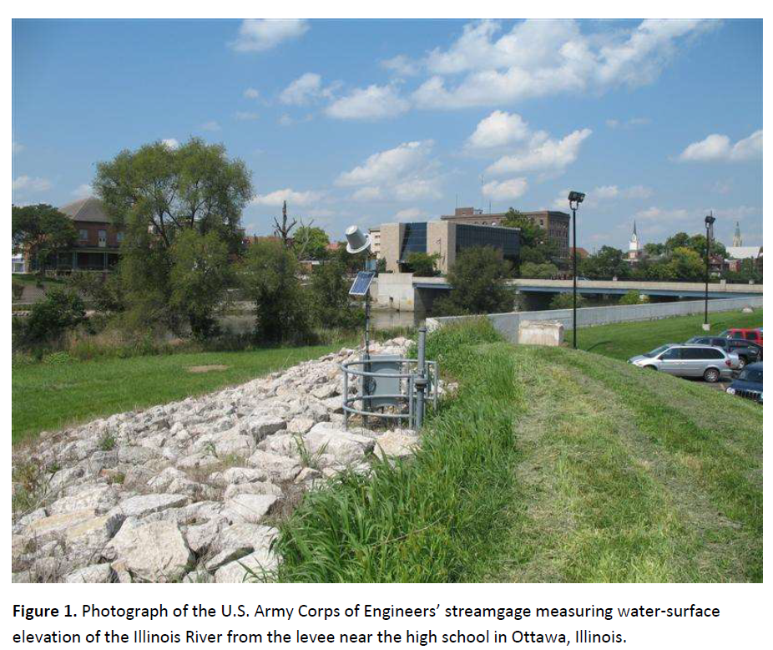
 | Layers:
 |  | Stream Gage(s) Location
 |  | Study Extent Boundary
 | Base Map:
 |  | aerial photo, roads, corporate boundaries, county boundaries

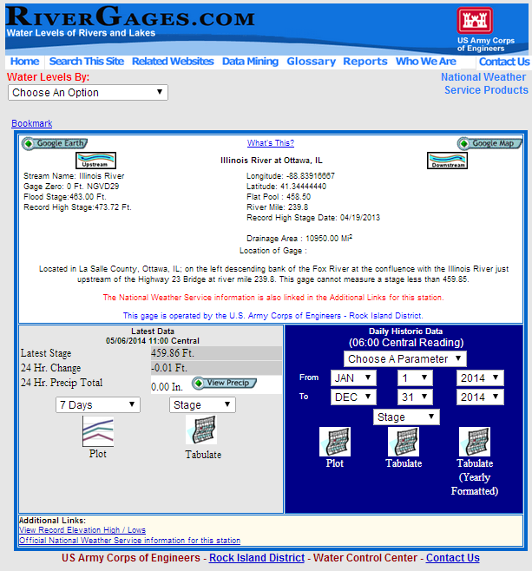

 | Impacts Map:

 | Layers:
 |  | Stream Gage Location
 |  | Study Extent Boundary
 |  | Location of Flood Impacts
 |  | Location of flood Control Structures
 |  | Location of Temporary measures
 |  | Model cross-sections
 |  | FEMA DFIRM
 | Base Map:
 |  | Aerial background map with roads

Rating - Fox
Rating Curve Comparison Worksheet

NWS Rating Curve Link: |  |  | (NWS AHPS XML rating is intended for initial comparison only. You must obtain the official rating for the RFC, AHPS Rating may not be current\correct)
 |  |  | (replace NWSLID with the 5 letter ID for the AHPS gage. Look for XML tag <rating dignity="official"> )
 | NWS AHPS XML Rating |  |  |  | http://water.weather.gov/ahps2/hydrograph_to_xml.php?gage=mtzi3&output=xml

USGS Rating Depot Link: |  |  | (replace XXXXXXXX gage ID with the 8-15 digit USGS station number)
 | List of Available Rating Products |  |  |  | http://waterdata.usgs.gov/nwisweb/cgi-src/get_ratings?site_no=XXXXXXXX
 | **Expanded Shift Adjusted Rating (exsa) |  |  |  | http://waterdata.usgs.gov/nwisweb/data/ratings/exsa/USGS.XXXXXXXX.exsa.rdb
 | Base Rating (base) |  |  |  | http://waterdata.usgs.gov/nwisweb/data/ratings/base/USGS.XXXXXXXX.base.rdb
 | Corrections (corr) |  |  |  | http://waterdata.usgs.gov/nwisweb/data/ratings/corr/USGS.XXXXXXXX.corr.rdb
 | ** Use the expanded shift adjusted rating in the table below. Other links are for reference only.

FEMA FIS | (obtain the Flood Insurance Report. Turn to the "Hydrologic Analyses" section
 | Federal Agencies |  |  |  | http://edd.msc.fema.gov/edd/
 | Non-Federal Partners |  |  |  | https://msc.fema.gov
 | NO RATING CURVE EXISTS FOR THIS LOCATION
 | USGS |  | NWS RFC |  | FEMA FIS |  | Calibrated Model
0 | 466.3 |  |  |  |  | 0 | 464.20999146
62 | 466.5 |  |  |  |  | 3115 | 469.51849365
123 | 466.7 |  |  |  |  | 3527 | 469.8850708
202 | 466.9 |  |  |  |  | 3891 | 470.19192505
305 | 467.1 |  |  |  |  | 4505 | 470.72848511
426 | 467.3 |  |  |  |  | 5278 | 471.27819824
692 | 467.7 |  |  |  |  | 6263 | 471.93215942
816 | 467.9 |  |  |  |  | 7528 | 472.69689941
1110 | 468.3 |  |  |  |  | 9049 | 473.53591919
1270 | 468.5 |  |  |  |  | 10864 | 474.45281982
1450 | 468.7 |  |  |  |  | 12801 | 475.359375
1650 | 468.9 |  |  |  |  | 14943 | 476.29391479
1860 | 469.1 |  |  |  |  | 18004 | 477.48675537
2070 | 469.3 |  |  |  |  | 21615 | 478.75445557
2310 | 469.5 |  |  |  |  | 26013 | 480.13748169
2550 | 469.7 |  |  |  |  | 31231 | 481.65594482
2800 | 469.9 |  |  |  |  | 36243 | 483.00006104
3070 | 470.1 |  |  |  |  | 41086 | 484.24899292
3330 | 470.3 |  |  |  |  | 41600 | 484.63589478
3610 | 470.5 |  |  |  |  | 51333 | 486.81549072
3910 | 470.7 |  |  |  |  | 56644 | 488.13244629
4210 | 470.9 |  |  |  |  | 62139 | 489.29022217
4520 | 471.1
4850 | 471.3
5180 | 471.5
5520 | 471.7
5880 | 471.9
6240 | 472.1
6600 | 472.3
6980 | 472.5
7380 | 472.7
7770 | 472.9
8180 | 473.1
8610 | 473.3
9030 | 473.5
9460 | 473.7
9920 | 473.9
10400 | 474.1
10800 | 474.3
11300 | 474.5
11800 | 474.7
12300 | 474.9
12800 | 475.1
13300 | 475.3
13800 | 475.5
14300 | 475.7
14900 | 475.9
15400 | 476.1
15900 | 476.3
16500 | 476.5
...
Date Created:
Date Aquired:
 | USGS | USGS | NWS RFC | NWS RFC | FEMA FIS | FEMA FIS | Model | Model
 | Stage (ft) | Flow (cfs) | Stage (ft) | Flow (cfs) | Stage (ft) | Flow (cfs) | Stage (ft) | Flow (cfs) | 466.3 | 4 | 0 | 0 | *
 | 466.3 | 0 |  |  |  |  | 464.20999146 | 0 | 466.31 | 4.01 | 0 | 3.3
 | 466.5 | 62 |  |  |  |  | 469.51849365 | 3115 | 466.32 | 4.02 | 0 | 6.6
 | 466.7 | 123 |  |  |  |  | 469.8850708 | 3527 | 466.33 | 4.03 | 0 | 9.9
 | 466.9 | 202 |  |  |  |  | 470.19192505 | 3891 | 466.34 | 4.04 | 0 | 13
 | 467.1 | 305 |  |  |  |  | 470.72848511 | 4505 | 466.35 | 4.05 | 0 | 16
 | 467.3 | 426 |  |  |  |  | 471.27819824 | 5278 | 466.36 | 4.06 | 0 | 20
 | 467.7 | 692 |  |  |  |  | 471.93215942 | 6263 | 466.37 | 4.07 | 0 | 23
 | 467.9 | 816 |  |  |  |  | 472.69689941 | 7528 | 466.38 | 4.08 | -0.01 | 23
 | 468.3 | 1110 |  |  |  |  | 473.53591919 | 9049 | 466.39 | 4.09 | -0.01 | 26
 | 468.5 | 1270 |  |  |  |  | 474.45281982 | 10864 | 466.4 | 4.1 | -0.01 | 30
 | 468.7 | 1450 |  |  |  |  | 475.359375 | 12801 | 466.41 | 4.11 | -0.01 | 33 | *
 | 468.9 | 1650 |  |  |  |  | 476.29391479 | 14943 | 466.42 | 4.12 | -0.01 | 36
 | 469.1 | 1860 |  |  |  |  | 477.48675537 | 18004 | 466.43 | 4.13 | -0.01 | 38
 | 469.3 | 2070 |  |  |  |  | 478.75445557 | 21615 | 466.44 | 4.14 | -0.01 | 41
 | 469.5 | 2310 |  |  |  |  | 480.13748169 | 26013 | 466.45 | 4.15 | -0.01 | 44
 | 469.7 | 2550 |  |  |  |  | 481.65594482 | 31231 | 466.46 | 4.16 | -0.01 | 47
 | 469.9 | 2800 |  |  |  |  | 483.00006104 | 36243 | 466.47 | 4.17 | -0.01 | 51
 | 470.1 | 3070 |  |  |  |  | 484.24899292 | 41086 | 466.48 | 4.18 | -0.01 | 54
 | 470.3 | 3330 |  |  |  |  | 484.63589478 | 41600 | 466.49 | 4.19 | -0.01 | 58
 | 470.5 | 3610 |  |  |  |  | 486.81549072 | 51333 | 466.5 | 4.2 | -0.01 | 62
 | 470.7 | 3910 |  |  |  |  | 488.13244629 | 56644 | 466.51 | 4.21 | -0.01 | 66 | *
 | 470.9 | 4210 |  |  |  |  | 489.29022217 | 62139 | 466.52 | 4.22 | -0.01 | 69
 | 471.1 | 4520 |  |  |  |  |  |  | 466.53 | 4.23 | -0.02 | 69
 | 471.3 | 4850 |  |  |  |  |  |  | 466.54 | 4.24 | -0.02 | 72
 | 471.5 | 5180 |  |  |  |  |  |  | 466.55 | 4.25 | -0.02 | 75
 | 471.7 | 5520 |  |  |  |  |  |  | 466.56 | 4.26 | -0.02 | 78
 | 471.9 | 5880 |  |  |  |  |  |  | 466.57 | 4.27 | -0.02 | 82
 | 472.1 | 6240 |  |  |  |  |  |  | 466.58 | 4.28 | -0.02 | 85
 | 472.3 | 6600 |  |  |  |  |  |  | 466.59 | 4.29 | -0.02 | 89
 | 472.5 | 6980 |  |  |  |  |  |  | 466.6 | 4.3 | -0.02 | 92
 | 472.7 | 7380 |  |  |  |  |  |  | 466.61 | 4.31 | -0.02 | 96
 | 472.9 | 7770 |  |  |  |  |  |  | 466.62 | 4.32 | -0.02 | 100 | *
 | 473.1 | 8180 |  |  |  |  |  |  | 466.63 | 4.33 | -0.02 | 103
 | 473.3 | 8610 |  |  |  |  |  |  | 466.64 | 4.34 | -0.02 | 106
 | 473.5 | 9030 |  |  |  |  |  |  | 466.65 | 4.35 | -0.02 | 110
 | 473.7 | 9460 |  |  |  |  |  |  | 466.66 | 4.36 | -0.02 | 113
 | 473.9 | 9920 |  |  |  |  |  |  | 466.67 | 4.37 | -0.02 | 116
 | 474.1 | 10400 |  |  |  |  |  |  | 466.68 | 4.38 | -0.03 | 116
 | 474.3 | 10800 |  |  |  |  |  |  | 466.69 | 4.39 | -0.03 | 120
 | 474.5 | 11300 |  |  |  |  |  |  | 466.7 | 4.4 | -0.03 | 123
 | 474.7 | 11800 |  |  |  |  |  |  | 466.71 | 4.41 | -0.03 | 127
 | 474.9 | 12300 |  |  |  |  |  |  | 466.72 | 4.42 | -0.03 | 130
 | 475.1 | 12800 |  |  |  |  |  |  | 466.73 | 4.43 | -0.03 | 134
 | 475.3 | 13300 |  |  |  |  |  |  | 466.74 | 4.44 | -0.03 | 138
 | 475.5 | 13800 |  |  |  |  |  |  | 466.75 | 4.45 | -0.03 | 142
 | 475.7 | 14300 |  |  |  |  |  |  | 466.76 | 4.46 | -0.03 | 146
 | 475.9 | 14900 |  |  |  |  |  |  | 466.77 | 4.47 | -0.03 | 150
 | 476.1 | 15400 |  |  |  |  |  |  | 466.78 | 4.48 | -0.03 | 154
 | 476.3 | 15900 |  |  |  |  |  |  | 466.79 | 4.49 | -0.03 | 158
 | 476.5 | 16500 |  |  |  |  |  |  | 466.8 | 4.5 | -0.03 | 162
 | 476.7 | 17100 |  |  |  |  |  |  | 466.81 | 4.51 | -0.03 | 166
 | 476.9 | 17600 |  |  |  |  |  |  | 466.82 | 4.52 | -0.03 | 170
 | 477.1 | 18200 |  |  |  |  |  |  | 466.83 | 4.53 | -0.04 | 170
 | 477.3 | 18800 |  |  |  |  |  |  | 466.84 | 4.54 | -0.04 | 175
 | 477.5 | 19400 |  |  |  |  |  |  | 466.85 | 4.55 | -0.04 | 179
 | 477.7 | 20000 |  |  |  |  |  |  | 466.86 | 4.56 | -0.04 | 183
 | 477.9 | 20600 |  |  |  |  |  |  | 466.87 | 4.57 | -0.04 | 188
 | 478.1 | 21300 |  |  |  |  |  |  | 466.88 | 4.58 | -0.04 | 192
 | 478.3 | 21900 |  |  |  |  |  |  | 466.89 | 4.59 | -0.04 | 197
 | 478.5 | 22500 |  |  |  |  |  |  | 466.9 | 4.6 | -0.04 | 202
 | 478.7 | 23200 |  |  |  |  |  |  | 466.91 | 4.61 | -0.04 | 207
 | 478.9 | 23800 |  |  |  |  |  |  | 466.92 | 4.62 | -0.04 | 211
 | 479.1 | 24500 |  |  |  |  |  |  | 466.93 | 4.63 | -0.04 | 216
 | 479.3 | 25100 |  |  |  |  |  |  | 466.94 | 4.64 | -0.04 | 221
 | 479.5 | 25800 |  |  |  |  |  |  | 466.95 | 4.65 | -0.04 | 226
 | 479.7 | 26500 |  |  |  |  |  |  | 466.96 | 4.66 | -0.04 | 232
 | 479.9 | 27200 |  |  |  |  |  |  | 466.97 | 4.67 | -0.04 | 237
 | 480.1 | 27900 |  |  |  |  |  |  | 466.98 | 4.68 | -0.05 | 237
 | 480.3 | 28600 |  |  |  |  |  |  | 466.99 | 4.69 | -0.05 | 242
 | 480.5 | 29300 |  |  |  |  |  |  | 467 | 4.7 | -0.05 | 247
 | 480.7 | 30000 |  |  |  |  |  |  | 467.01 | 4.71 | -0.05 | 253
 | 480.9 | 30700 |  |  |  |  |  |  | 467.02 | 4.72 | -0.05 | 258
 | 481.1 | 31500 |  |  |  |  |  |  | 467.03 | 4.73 | -0.05 | 264
 | 481.3 | 32200 |  |  |  |  |  |  | 467.04 | 4.74 | -0.05 | 269
 | 481.5 | 33000 |  |  |  |  |  |  | 467.05 | 4.75 | -0.05 | 275
 | 481.7 | 33700 |  |  |  |  |  |  | 467.06 | 4.76 | -0.05 | 281
 | 481.9 | 34500 |  |  |  |  |  |  | 467.07 | 4.77 | -0.05 | 287
 | 482.1 | 35300 |  |  |  |  |  |  | 467.08 | 4.78 | -0.05 | 293
 | 482.3 | 36000 |  |  |  |  |  |  | 467.09 | 4.79 | -0.05 | 299
 | 482.5 | 36800 |  |  |  |  |  |  | 467.1 | 4.8 | -0.05 | 305
 | 482.7 | 37600 |  |  |  |  |  |  | 467.11 | 4.81 | -0.05 | 311
 | 482.9 | 38400 |  |  |  |  |  |  | 467.12 | 4.82 | -0.05 | 317
 | 483.1 | 39200 |  |  |  |  |  |  | 467.13 | 4.83 | -0.06 | 317
 | 483.5 | 40900 |  |  |  |  |  |  | 467.14 | 4.84 | -0.06 | 323
 | 483.76 | 42000 |  |  |  |  |  |  | 467.15 | 4.85 | -0.06 | 329
 | 484.23 | 44000 |  |  |  |  |  |  | 467.16 | 4.86 | -0.06 | 336
 | 484.46 | 45000 |  |  |  |  |  |  | 467.17 | 4.87 | -0.06 | 342
 | 484.69 | 46000 |  |  |  |  |  |  | 467.18 | 4.88 | -0.06 | 349
 | 484.92 | 47000 |  |  |  |  |  |  | 467.19 | 4.89 | -0.06 | 356
 | 485.15 | 48000 |  |  |  |  |  |  | 467.2 | 4.9 | -0.06 | 362
 | 485.37 | 49000 |  |  |  |  |  |  | 467.21 | 4.91 | -0.06 | 369
 | 485.59 | 50000 |  |  |  |  |  |  | 467.22 | 4.92 | -0.06 | 376
 | 485.81 | 51000 |  |  |  |  |  |  | 467.23 | 4.93 | -0.06 | 383
 | 486.03 | 52000 |  |  |  |  |  |  | 467.24 | 4.94 | -0.06 | 390
 | 486.24 | 53000 |  |  |  |  |  |  | 467.25 | 4.95 | -0.06 | 397
 | 486.46 | 54000 |  |  |  |  |  |  | 467.26 | 4.96 | -0.06 | 404
 | 486.67 | 55000 |  |  |  |  |  |  | 467.27 | 4.97 | -0.06 | 411
 | 486.88 | 56000 |  |  |  |  |  |  | 467.28 | 4.98 | -0.07 | 411
 | 487.09 | 57000 |  |  |  |  |  |  | 467.29 | 4.99 | -0.07 | 419
 | 487.29 | 58000 |  |  |  |  |  |  | 467.3 | 5 | -0.07 | 426
 |  |  |  |  |  |  |  |  | 467.31 | 5.01 | -0.07 | 434
 |  |  |  |  |  |  |  |  | 467.32 | 5.02 | -0.07 | 441
 |  |  |  |  |  |  |  |  | 467.33 | 5.03 | -0.07 | 449
 |  |  |  |  |  |  |  |  | 467.34 | 5.04 | -0.07 | 456
 |  |  |  |  |  |  |  |  | 467.35 | 5.05 | -0.07 | 464
 |  |  |  |  |  |  |  |  | 467.36 | 5.06 | -0.07 | 472
 |  |  |  |  |  |  |  |  | 467.37 | 5.07 | -0.07 | 480 | *
 |  |  |  |  |  |  |  |  | 467.38 | 5.08 | -0.07 | 487
 |  |  |  |  |  |  |  |  | 467.39 | 5.09 | -0.07 | 494
 |  |  |  |  |  |  |  |  | 467.4 | 5.1 | -0.07 | 500
 |  |  |  |  |  |  |  |  | 467.41 | 5.11 | -0.07 | 507
 |  |  |  |  |  |  |  |  | 467.42 | 5.12 | -0.07 | 514
 |  |  |  |  |  |  |  |  | 467.43 | 5.13 | -0.08 | 514
 |  |  |  |  |  |  |  |  | 467.44 | 5.14 | -0.08 | 521
 |  |  |  |  |  |  |  |  | 467.45 | 5.15 | -0.08 | 528
 |  |  |  |  |  |  |  |  | 467.46 | 5.16 | -0.08 | 536
 |  |  |  |  |  |  |  |  | 467.47 | 5.17 | -0.08 | 543
 |  |  |  |  |  |  |  |  | 467.48 | 5.18 | -0.08 | 550 | *
 |  |  |  |  |  |  |  |  | 467.49 | 5.19 | -0.08 | 557
 |  |  |  |  |  |  |  |  | 467.5 | 5.2 | -0.08 | 564
 |  |  |  |  |  |  |  |  | 467.51 | 5.21 | -0.08 | 571
 |  |  |  |  |  |  |  |  | 467.52 | 5.22 | -0.08 | 578
 |  |  |  |  |  |  |  |  | 467.53 | 5.23 | -0.08 | 584
 |  |  |  |  |  |  |  |  | 467.54 | 5.24 | -0.08 | 592
 |  |  |  |  |  |  |  |  | 467.55 | 5.25 | -0.08 | 599
 |  |  |  |  |  |  |  |  | 467.56 | 5.26 | -0.08 | 606
 |  |  |  |  |  |  |  |  | 467.57 | 5.27 | -0.08 | 613
 |  |  |  |  |  |  |  |  | 467.58 | 5.28 | -0.09 | 613
 |  |  |  |  |  |  |  |  | 467.59 | 5.29 | -0.09 | 620 | *
 |  |  |  |  |  |  |  |  | 467.6 | 5.3 | -0.09 | 626
 |  |  |  |  |  |  |  |  | 467.61 | 5.31 | -0.09 | 633
 |  |  |  |  |  |  |  |  | 467.62 | 5.32 | -0.09 | 639
 |  |  |  |  |  |  |  |  | 467.63 | 5.33 | -0.09 | 646
 |  |  |  |  |  |  |  |  | 467.64 | 5.34 | -0.09 | 652
 |  |  |  |  |  |  |  |  | 467.65 | 5.35 | -0.09 | 659
 |  |  |  |  |  |  |  |  | 467.66 | 5.36 | -0.09 | 665
 |  |  |  |  |  |  |  |  | 467.67 | 5.37 | -0.09 | 672
 |  |  |  |  |  |  |  |  | 467.68 | 5.38 | -0.09 | 678
 |  |  |  |  |  |  |  |  | 467.69 | 5.39 | -0.09 | 685
 |  |  |  |  |  |  |  |  | 467.7 | 5.4 | -0.09 | 692
 |  |  |  |  |  |  |  |  | 467.71 | 5.41 | -0.09 | 698
 |  |  |  |  |  |  |  |  | 467.72 | 5.42 | -0.09 | 705
 |  |  |  |  |  |  |  |  | 467.73 | 5.43 | -0.1 | 705
 |  |  |  |  |  |  |  |  | 467.74 | 5.44 | -0.1 | 712
 |  |  |  |  |  |  |  |  | 467.75 | 5.45 | -0.1 | 718
 |  |  |  |  |  |  |  |  | 467.76 | 5.46 | -0.1 | 725
 |  |  |  |  |  |  |  |  | 467.77 | 5.47 | -0.1 | 732
 |  |  |  |  |  |  |  |  | 467.78 | 5.48 | -0.1 | 739
 |  |  |  |  |  |  |  |  | 467.79 | 5.49 | -0.1 | 746
 |  |  |  |  |  |  |  |  | 467.8 | 5.5 | -0.1 | 753
 |  |  |  |  |  |  |  |  | 467.81 | 5.51 | -0.1 | 760
 |  |  |  |  |  |  |  |  | 467.82 | 5.52 | -0.1 | 766
 |  |  |  |  |  |  |  |  | 467.83 | 5.53 | -0.1 | 773
 |  |  |  |  |  |  |  |  | 467.84 | 5.54 | -0.1 | 780
 |  |  |  |  |  |  |  |  | 467.85 | 5.55 | -0.1 | 787
 |  |  |  |  |  |  |  |  | 467.86 | 5.56 | -0.1 | 795
 |  |  |  |  |  |  |  |  | 467.87 | 5.57 | -0.1 | 802
 |  |  |  |  |  |  |  |  | 467.88 | 5.58 | -0.11 | 802
 |  |  |  |  |  |  |  |  | 467.89 | 5.59 | -0.11 | 809
 |  |  |  |  |  |  |  |  | 467.9 | 5.6 | -0.11 | 816
 |  |  |  |  |  |  |  |  | 467.91 | 5.61 | -0.11 | 823
 |  |  |  |  |  |  |  |  | 467.92 | 5.62 | -0.11 | 830
 |  |  |  |  |  |  |  |  | 467.93 | 5.63 | -0.11 | 837
 |  |  |  |  |  |  |  |  | 467.94 | 5.64 | -0.11 | 845
 |  |  |  |  |  |  |  |  | 467.95 | 5.65 | -0.11 | 852
 |  |  |  |  |  |  |  |  | 467.96 | 5.66 | -0.11 | 859
 |  |  |  |  |  |  |  |  | 467.97 | 5.67 | -0.11 | 866
 |  |  |  |  |  |  |  |  | 467.98 | 5.68 | -0.11 | 874
 |  |  |  |  |  |  |  |  | 467.99 | 5.69 | -0.11 | 881
 |  |  |  |  |  |  |  |  | 468 | 5.7 | -0.11 | 889
 |  |  |  |  |  |  |  |  | 468.01 | 5.71 | -0.11 | 896
 |  |  |  |  |  |  |  |  | 468.02 | 5.72 | -0.11 | 903
...

Rating - Illinois
...
(replace XXXXXXXX gage ID with the 8-15 digit USGS station number)
 |  | http://waterdata.usgs.gov/nwisweb/cgi-src/get_ratings?site_no=XXXXXXXX
 |  | http://waterdata.usgs.gov/nwisweb/data/ratings/exsa/USGS.XXXXXXXX.exsa.rdb
 |  | http://waterdata.usgs.gov/nwisweb/data/ratings/base/USGS.XXXXXXXX.base.rdb
 |  | http://waterdata.usgs.gov/nwisweb/data/ratings/corr/USGS.XXXXXXXX.corr.rdb
...
 |  | http://edd.msc.fema.gov/edd/
 |  | https://msc.fema.gov
...
 | USGS |  | NWS RFC |  | FEMA FIS |  | Calibrated Model
0 | 462.41 |  |  |  |  | 0 | 461.29000854
33 | 462.51 |  |  |  |  | 14100 | 466.70349121
76 | 462.61 |  |  |  |  | 19400 | 467.80358887
142 | 462.71 |  |  |  |  | 23600 | 468.66357422
236 | 462.81 |  |  |  |  | 29850 | 469.86898804
352 | 462.91 |  |  |  |  | 36600 | 471.09741211
488 | 463.01 |  |  |  |  | 43900 | 472.36804199
645 | 463.11 |  |  |  |  | 48000 | 473.04541016
822 | 463.21 |  |  |  |  | 51750 | 473.63140869
1020 | 463.31 |  |  |  |  | 59600 | 474.80944824
2000 | 463.71 |  |  |  |  | 66000 | 475.72775269
2930 | 464.01 |  |  |  |  | 67400 | 475.92370605
4020 | 464.31 |  |  |  |  | 74400 | 476.90634155
5110 | 464.61 |  |  |  |  | 79000 | 477.55221558
6240 | 464.91 |  |  |  |  | 81000 | 477.81808472
7010 | 465.11 |  |  |  |  | 88950 | 478.83224487
8250 | 465.41 |  |  |  |  | 91000 | 479.08624268
9130 | 465.61 |  |  |  |  | 96750 | 479.78924561
10000 | 465.81 |  |  |  |  | 104650 | 480.72866821
12000 | 466.24 |  |  |  |  | 105000 | 480.7699585
13000 | 466.45 |  |  |  |  | 112450 | 481.63973999
15000 | 466.85 |  |  |  |  | 115000 | 481.95184326
16000 | 467.05 |  |  |  |  | 118800 | 482.43240356
18000 | 467.43 |  |  |  |  | 124150 | 483.14938354
19000 | 467.62 |  |  |  |  | 125000 | 483.25488281
20000 | 467.8 |  |  |  |  | 129100 | 483.85629272
22000 | 468.16 |  |  |  |  | 133650 | 484.57098389
23000 | 468.34 |  |  |  |  | 137000 | 485.06439209
25000 | 468.68 |  |  |  |  | 137850 | 485.22314453
26000 | 468.85 |  |  |  |  | 141800 | 485.88775635
28000 | 469.18
29000 | 469.35
30000 | 469.51
32000 | 469.83
33000 | 470
35000 | 470.35
36000 | 470.53
38000 | 470.88
39000 | 471.06
40000 | 471.23
42000 | 471.57
43000 | 471.74
45000 | 472.08
46000 | 472.25
48000 | 472.58
49000 | 472.75
50000 | 472.91
52000 | 473.24
53000 | 473.4
55000 | 473.73
...
...
NWS RFC | NWS RFC | FEMA FIS | FEMA FIS | Model | Model
Stage (ft) | Flow (cfs) | Stage (ft) | Flow (cfs) | Stage (ft) | Flow (cfs)
 |  |  |  | 461.29000854 | 0
 |  |  |  | 466.70349121 | 14100
 |  |  |  | 467.80358887 | 19400
 |  |  |  | 468.66357422 | 23600
 |  |  |  | 469.86898804 | 29850
 |  |  |  | 471.09741211 | 36600
 |  |  |  | 472.36804199 | 43900
 |  |  |  | 473.04541016 | 48000
 |  |  |  | 473.63140869 | 51750
 |  |  |  | 474.80944824 | 59600
 |  |  |  | 475.72775269 | 66000
 |  |  |  | 475.92370605 | 67400
 |  |  |  | 476.90634155 | 74400
 |  |  |  | 477.55221558 | 79000
 |  |  |  | 477.81808472 | 81000
 |  |  |  | 478.83224487 | 88950
 |  |  |  | 479.08624268 | 91000
 |  |  |  | 479.78924561 | 96750
 |  |  |  | 480.72866821 | 104650
 |  |  |  | 480.7699585 | 105000
 |  |  |  | 481.63973999 | 112450
 |  |  |  | 481.95184326 | 115000
 |  |  |  | 482.43240356 | 118800
 |  |  |  | 483.14938354 | 124150
 |  |  |  | 483.25488281 | 125000
 |  |  |  | 483.85629272 | 129100
 |  |  |  | 484.57098389 | 133650
 |  |  |  | 485.06439209 | 137000
 |  |  |  | 485.22314453 | 137850
 |  |  |  | 485.88775635 | 141800
...

Terrain
...
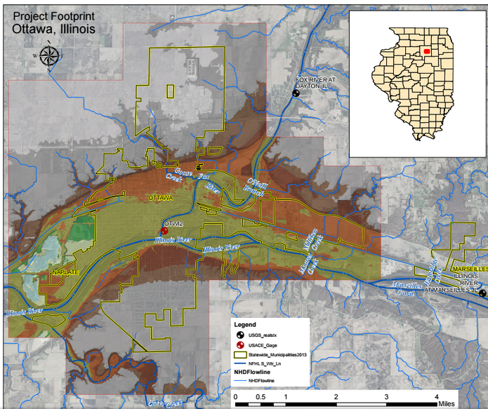
...
Vertical Accuracy Terms
RMSEz in Open Terrain * | Equivalent Contour Accuracy
9.25 cm | 1-ft
9.25 cm | 1-ft
≤18.5 cm | 2-ft
46.3 cm – 139 cm | 5 – 15 ft
92.7 cm – 185 c | 10 – 20 ft
...

Spatial Calc
Spatial Calculations

VERTCON Calculation Results |  | Comments on Vertical Datum Quality
http://www.ngs.noaa.gov/cgi-bin/VERTCON/vert_con.prl
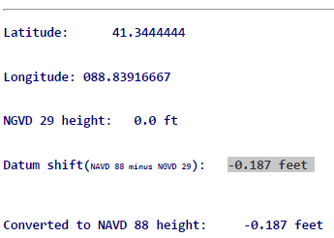
 | Latitude:

 | Longitude:

 | NGVD 29 height:

 | Datum shift(NAVD 88 minus NGVD 29):

 | Converted to NAVD 88 height:

Google Maps Display Scale
Source
